Sheet1
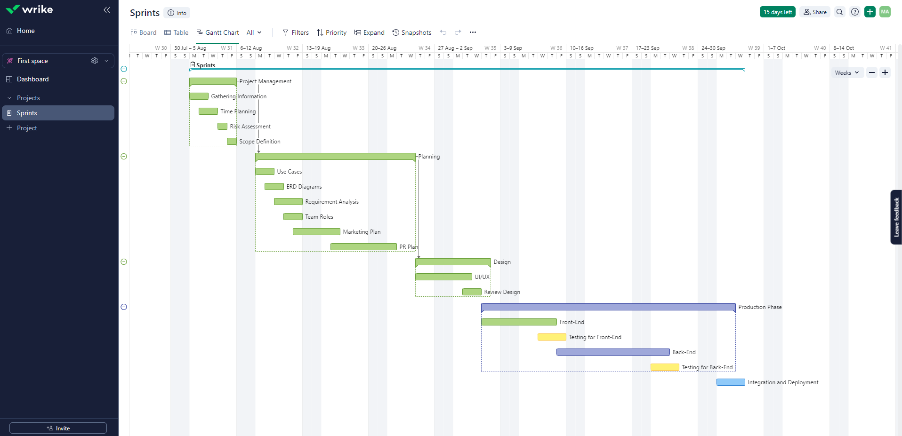
Task | Planned(days) | Actual
Project Management | 5 | 5
Planning | 13 | 13
Design | 6 | 7
Production Phase | 19 | 25
Integration and Deployment | 3 | 4

